Customer feedback
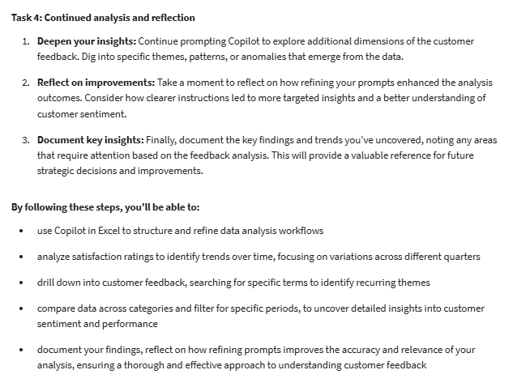
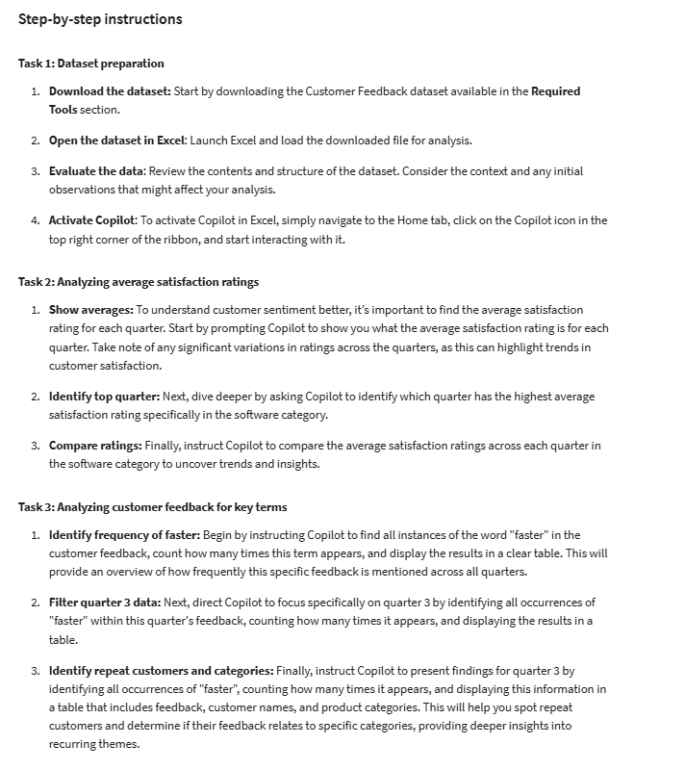
Customer Name | Satisfaction Rating | Feedback | Product Category | Quarter
Kaimana Legrand | 5 | Good service, but the product integration was difficult. | Software | 1
Aisling O’Reilly | 4 | Customer support was slow, but product quality is good. | Hardware | 1
Hiroshi Nakamura | 6 | Highly satisfied with both service and product. | Software | 1
Thandiwe Mwangi | 7 | Excellent experience, very happy with the team. | Service | 1
Giulia Rossi | 5 | Decent service, but delays in delivery were frustrating. | Hardware | 1
Amara Zuberi | 5 | Good experience, but onboarding took longer than expected. | Software | 1
Leandro Vargas | 6 | Very user-friendly, satisfied overall. | Service | 1
Saanvi Patel | 4 | Complicated, but customer service helped resolve issues. | Service | 1
Malik El-Amin | 8 | Great product and amazing customer service. | Hardware | 1
Anika Das | 5 | Service was good, but some product features are outdated. | Software | 1
Nia Mburu | 6 | Satisfactory experience, but some bugs in the software. | Software | 1
Kenji Tanaka | 6 | Good service, onboarding was smooth. | Service | 1
Leila Amani | 7 | Amazing experience, no complaints. | Hardware | 1
Rami Al-Mansoori | 5 | Average product, lacks customization. | Software | 1
Zara Nascimento | 4 | Good service but expected more features in the product. | Service | 1
Farid Ibrahim | 6 | Smooth process but had delays in response times. | Service | 1
Isolde Valois | 7 | Outstanding product, very satisfied. | Hardware | 1
Rajesh Kapoor | 7 | Great product but the learning curve was steep. | Service | 1
Callum O'Sullivan | 7 | Product has improved after updates, much easier to use. | Software | 2
Freya Lindström | 6 | Support has improved, but the interface could be more intuitive. | Hardware | 2
Hiroshi Yamamoto | 8 | Still very satisfied, excellent customer support. | Software | 2
Thandiwe Ndlovu | 8 | Consistently great experience with responsive customer service. | Service | 2
Ines de la Vega | 7 | Slight improvement, but still issues with shipping delays. | Hardware | 2
Amira Al-Farsi | 7 | More streamlined now, but could still improve in setup time. | Software | 2
Leandro Gomes | 9 | Impressive updates, product features are now top-notch. | Service | 2
Zuri Okafor | 7 | Overall improvement, but documentation could be better. | Service | 2
Malik El-Sayed | 8 | Service is still outstanding, no major issues. | Hardware | 2
Adira Sandoval | 5 | Customer service improved but product updates are slow. | Software | 2
Zara Atkinson | 7 | Bugs have been fixed, product is now stable. | Software | 2
Kenji Hiroshi | 7 | Good follow-up support, overall happy with the progress. | Service | 2
Emilia Novak | 8 | Fantastic updates, product now meets my expectations. | Hardware | 2
Nuru Chebet | 6 | Improved customization, but more options would be helpful. | Software | 2
Mirela Kostova | 7 | New features added but still room for improvement. | Service | 2
Tariq Al-Jabari | 6 | Better response times, no major issues now. | Service | 2
Lysander Malatesta | 9 | Continued satisfaction with product updates. | Hardware | 2
Noor El-Badri | 8 | Once learned, product works well, no major complaints. | Service | 2
Kaimana Legrand | 8 | Excellent product, service team has been very supportive. | Software | 3
Aisling McCarthy | 7 | Better experience with support team, but still some minor issues. | Hardware | 3
Yuki Sato | 8 | Still highly satisfied, product continues to meet expectations. | Software | 3
Thandiwe Mthethwa | 9 | Amazing experience, team is always ready to help. | Service | 3
Giulia Moretti | 6 | Some improvements in delivery time, but could be faster. | Hardware | 3
Sanaa Al-Hakim | 8 | No major issues, product is performing as expected. | Software | 3
Leandro Costa | 9 | Still very satisfied, especially after the latest updates. | Service | 3
Amara Rahman | 8 | Process is smoother now, happy with the recent changes. | Service | 3
Jarek Kowalski | 7 | Customer service is top-notch, highly recommend. | Hardware | 3
Nia Mhlongo | 6 | Still facing some delays in product updates. | Software | 3
Kenji Matsumoto | 8 | Product stability has improved significantly. | Software | 3
Leila Bouchard | 7 | Overall positive experience, would recommend. | Service | 3
Rami Al-Khalid | 8 | New updates are great, and the service is exceptional. | Hardware | 3
Zara Dragnea | 7 | Customization options are better, but more features are still needed. | Software | 3
Niko Jovanovic | 6 | Happy with the new features, but product could be faster. | Service | 3
Samira Bahar | 7 | Process is much more efficient, no major delays. | Service | 3
Tarek Al-Mansoor | 9 | Product continues to impress with every update. | Hardware | 3
Ravi Patel | 9 | Great experience, but documentation could still improve. | Service | 3
Isabella De Luca | 8 | Product performance is consistent, minor issues resolved quickly. | Software | 4
Oren Alavi | 7 | Support could still improve, but better than before. | Hardware | 4
Juniper Takeda | 8 | Satisfied overall, product meets expectations consistently. | Software | 4
Thandiwe Nsenga | 9 | Exceptional service, product is performing well. | Service | 4
Zara Adefisayo | 6 | Still facing issues with shipping, slow delivery times. | Hardware | 4
Kian Farooq | 9 | Great experience, would appreciate more frequent updates. | Software | 4
Wren Luthra | 7 | Product is useful, though the UI could be more intuitive. | Service | 4
Mira Pacheco | 8 | Very satisfied, no major issues encountered. | Service | 4
Tobias Lindqvist | 8 | Customer service continues to deliver great support. | Hardware | 4
Shazia Khan | 7 | Support has been helpful, but product needs faster updates. | Software | 4
Elara Vasiliev | 9 | Very satisfied with the performance, no major concerns. | Software | 4
Samir Al-Hassan | 9 | Great product, onboarding was smooth and efficient. | Service | 4
Soraya LaRue | 9 | Customer support is exceptional, great product updates. | Hardware | 4
Omar Daoud | 8 | Customization is improving, but more features are required. | Software | 4
Selin Yilmaz | 8 | Service has been responsive, but product can still be faster. | Service | 4

